Sheet1
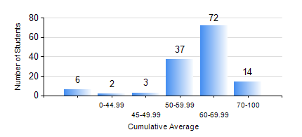
 |  |  | KWAME NKRUMAH UNIVERSITY OF SCIENCE AND TECHNOLOGY, KUMASI Department of Mechanical Engineering

 |  |  | BSC. AUTOMOBILE ENG.

 |  |  | COMPREHENSIVE RECORD OF EXAMINATION RESULTS

 |  |  | RESULTS OF YEAR 1 FIRST SEMESTER, 2020/2021 ACADEMIC YEAR

 | Sn | Course Code |  | Course Name | Credit Hours | Min. Mark | Max. Mark | Avg. Mark | Std. Dev. | No. Passed | No. Trailed | No. (Df) | No. (I) | No. (I*) | No. Tagged(I,I*,Df) | Total
 | 0. |  |  |  |  |  |  | 0 | 0 | 0 | 0 | 0 | 0 | 0 | 0 | 6
 | 1. | AME 167 |  | COMPUTER PROGRAMMING FOR ENGINEERING | 2 | 26 | 96 | 78 | 10.38 | 127 | 1 | 0 | 0 | 0 | 0 | 128
 | 2. | CE 155 |  | ENVIRONMENTAL STUDIES | 2 | 40 | 81 | 62 | 7.94 | 128 | 0 | 0 | 0 | 0 | 0 | 128
 | 3. | EE 151 |  | APPLIED ELECTRICITY | 3 | 16 | 100 | 61 | 11.51 | 127 | 1 | 0 | 0 | 0 | 0 | 128
 | 4. | ENGL 157 |  | COMMUNICATION SKILLS I | 2 | 41 | 78 | 64 | 8.1 | 128 | 0 | 0 | 0 | 0 | 0 | 128
 | 5. | MATH 151 |  | ALGEBRA | 4 | 23 | 85 | 57 | 12.18 | 124 | 4 | 0 | 0 | 0 | 0 | 128
 | 6. | ME 159 |  | TECHNICAL DRAWING | 2 | 33 | 83 | 56 | 9.16 | 126 | 2 | 0 | 0 | 0 | 0 | 128
 | 7. | ME 195 |  | ENGINEERING TECHNOLOGY I | 2 | 28 | 74 | 63 | 6.22 | 127 | 1 | 0 | 0 | 0 | 0 | 128

